case
Test scenario ID | Test scenario descrition | Testing Type | Test case ID | Test case description | pre-requisite | Test step | Test data | Excepted result | Actual result | Priority | Status | Comments | Screenshots
TS_001 | To verify with register functionality | functional type | TC_001 | To verify with valid credentials | https://luni-interface-029.vercel.app /account/register | 1: Open browser 2: Go to the website 3: Enter valid data 4: Register | FirstName : Rikkish LastName : B E-Mail : dhanu434@gmail.com Passsword : Rikishnh2266 |  | Registration Unsucessful | P0 | FAIL | * The create account button is not clickable and the regestration sucessfull message is not displayed | 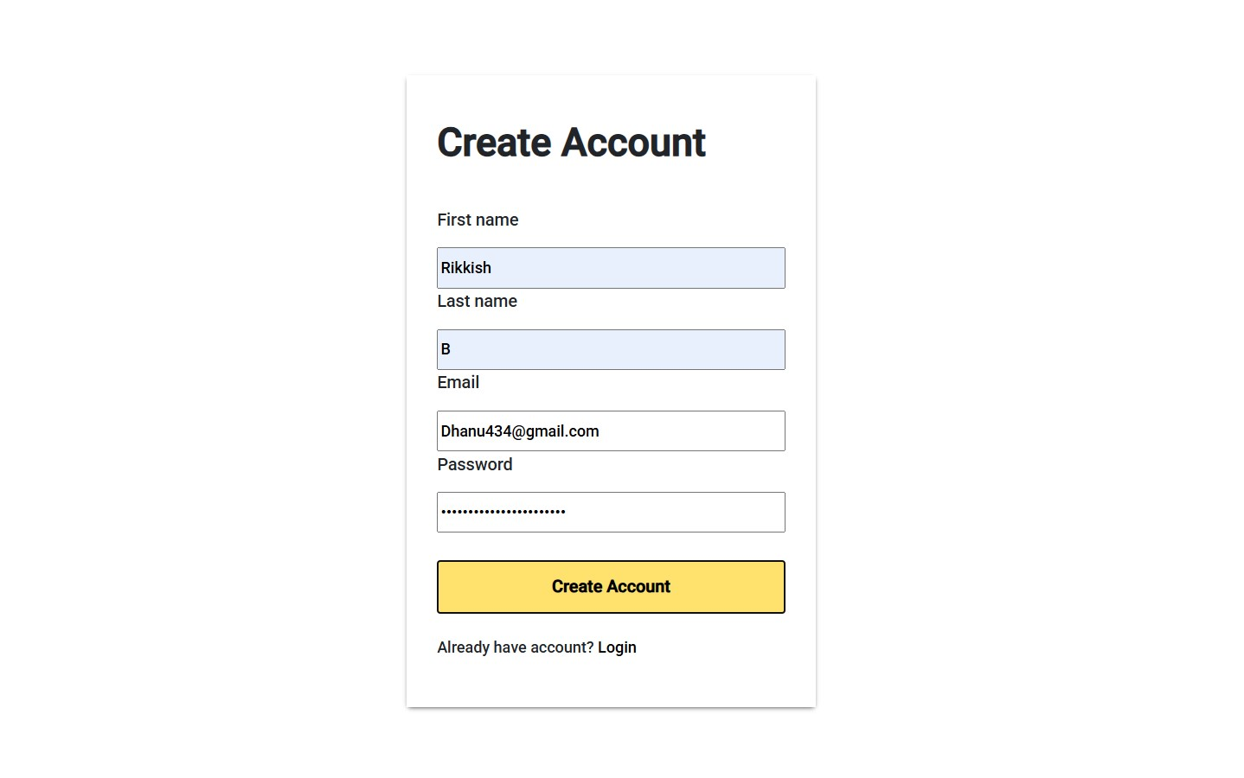
 |  |  | TC_002 | To verify with valid credentials | https://luni-interface-029.vercel.app /account/register | 1: Open browser 2: Go to the website 3: Enter valid data 4: Register | FirstName : kesava LastName : moorthy E-Mail : Kesavamoorthy00@gmail.com Passsword : Kesava/77. |  | Registration Unsucessful | P0 | FAIL | * The create account button is not clickable and the regestration sucessfull message is not displayed
 |  |  | TC_003 | To verify with valid credentials | https://luni-interface-029.vercel.app /account/register | 1: Open browser 2: Go to the website 3: Enter valid data 4: Register | FirstName : arun LastName : J E-Mail : arun66@gmail.com Passsword : Arun$5656 | Registration sucessful | Registration Unsucessful | P0 | FAIL | * The create account button is not clickable and the regestration sucessfull message is not displayed
 |  |  | TC_004 | To verify with valid credentials | https://luni-interface-029.vercel.app /account/register | 1: Open browser 2: Go to the website 3: Enter valid data 4: Register | FirstName :Jeo LastName : alex E-Mail : jeoalex0909@gmail.com Passsword : Jeoalex46; | Registration sucessful | Registration Unsucessful | P0 | FAIL | * The create account button is not clickable and the regestration sucessfull message is not displayed
 |  |  | TC_005 | To verify with valid credentials | https://luni-interface-029.vercel.app /account/register | 1: Open browser 2: Go to the website 3: Enter valid data 4: Register | FirstName : dev LastName : Alex E-Mail : devalex@gmail.com Passsword : A2l3e4x$% | Registration sucessful | Registration Unsucessful | P0 | FAIL | * The create account button is not clickable and the regestration sucessfull message is not displayed
 |  |  | TC_006 | To verify with valid credentials | https://luni-interface-029.vercel.app /account/register | 1: Open browser 2: Go to the website 3: Enter valid data 4: Register | FirstName : chota LastName : bheem E-Mail : chotabheem77@gmail.com Passsword : Chotabheem@5757 | Registration sucessful | Registration Unsucessful | P0 | FAIL | * The create account button is not clickable and the regestration sucessfull message is not displayed
 |  |  | TC_007 | To verify with valid credentials | https://luni-interface-029.vercel.app /account/register | 1: Open browser 2: Go to the website 3: Enter valid data 4: Register | FirstName : raja LastName : sekar E-Mail : rajasekar@gmail.com Passsword : rajaSekar*11 | Registration sucessful | Registration Unsucessful | P0 | FAIL | * The create account button is not clickable and the regestration sucessfull message is not displayed
 |  |  | TC_008 | To verify with Invalid credentials | https://luni-interface-029.vercel.app /account/register | 1: Open browser 2: Go to the website 3: Enter invalid data 4: Register | FirstName : null LastName : Shankar E-Mail : shankr@gamil.com Passsword : shanker | Registration Unsucessful | Registration Unsucessful | P0 | FAIL | * The create account button is not clickable and the regestration Failed OR invalid input message is not displayed
 |  |  | TC_009 | To verify with Invalid credentials | https://luni-interface-029.vercel.app /account/register | 1: Open browser 2: Go to the website 3: Enter invalid data 4: Register | FirstName : arul LastName : null E-Mail : null Passsword : null | Registration Unsucessful | Registration Unsucessful | P0 | FAIL | * The create account button is not clickable and the regestration Failed OR invalid input message is not displayed
 |  |  | TC_010 | To verify with Invalid credentials | https://luni-interface-029.vercel.app /account/register | 1: Open browser 2: Go to the website 3: Enter invalid data 4: Register | FirstName : Rikkish LastName : Basavaraj E-Mail : rikkish0807@gmail.com Passsword : null | Registration Unsucessful | Registration Unsucessful | P0 | FAIL | * The create account button is not clickable and the regestration Failed OR invalid input message is not displayed
 |  |  | TC_011 | To verify with Invalid credentials | https://luni-interface-029.vercel.app /account/register | 1: Open browser 2: Go to the website 3: Enter invalid data 4: Register | FirstName : Akash LastName : Basavarj E-Mail : Akashrikkish19@gmail.com Passsword :Ak | Registration Unsucessful | Registration Unsucessful | P0 | FAIL | * The create account button is not clickable and the regestration Failed OR invalid input message is not displayed
 |  |  | TC_012 | To verify with Invalid credentials | https://luni-interface-029.vercel.app /account/register | 1: Open browser 2: Go to the website 3: Enter invalid data 4: Register | FirstName : solai LastName : Muthu E-Mail : @gmail.com Passsword : SolaiMuthu@#$% | Registration Unsucessful | Registration Unsucessful | P0 | FAIL | * The create account button is not clickable and the regestration Failed OR invalid input message is not displayed
 |  |  | TC_013 | To verify with Invalid credentials | https://luni-interface-029.vercel.app /account/register | 1: Open browser 2: Go to the website 3: Enter invalid data 4: Register | FirstName : Madha LastName : Raj E-Mail : madhanraj@gmail.com Passsword : null | Registration Unsucessful | Registration Unsucessful | P0 | FAIL | * The create account button is not clickable and the regestration Failed OR invalid input message is not displayed
 |  |  | TC_014 | To verify with Invalid credentials | https://luni-interface-029.vercel.app /account/register | 1: Open browser 2: Go to the website 3: Enter invalid data 4: Register | FirstName : LastName : E-Mail : gopi@gmail.com Passsword :Gopiall@12@ | Registration Unsucessful | Registration Unsucessful | P0 | FAIL | * The create account button is not clickable and the regestration Failed OR invalid input message is not displayed
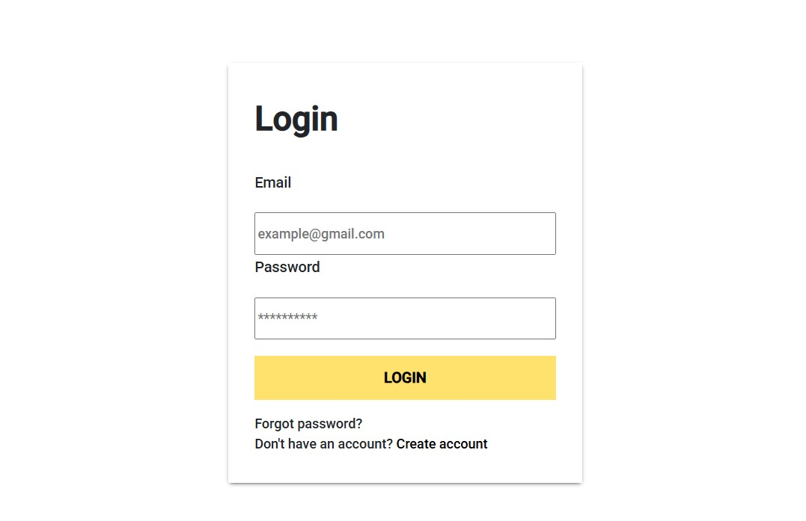
TS_002 | To verify with login functionality | Functional Testing | TC_001 | To verify with valid credentials | https://luni-interface-029.vercel.app /account/login | 1: Open browser 2: Go to the website 3: Enter valid data 4: login | E-Mail : dhanu434@gmail.com Passsword : Rikishnh2266 | login sucessful | Login Unsucessful | P0 | FAIL | * the login has be sucessful but without regestering the account with credentils because of this anyone can create a account with fake data and there is no verification mesage sent
 |  |  | TC_002 | To verify with valid credentials | https://luni-interface-029.vercel.app /account/login | 1: Open browser 2: Go to the website 3: Enter valid data 4: login | E-Mail : Kesavamoorthy00@gmail.com Passsword : Kesava/77. | login sucessful | Login Unsucessful | P0 | FAIL | * the login has be sucessful but without regestering the account with credentils because of this anyone can create a account with fake data and there is no verification mesage sent
 |  |  | TC_003 | To verify with valid credentials | https://luni-interface-029.vercel.app /account/login | 1: Open browser 2: Go to the website 3: Enter valid data 4: login | E-Mail : arun66@gmail.com Passsword : Arun$5656 | login sucessful | Login Unsucessful | P0 | FAIL | * the login has be sucessful but without regestering the account with credentils because of this anyone can create a account with fake data and there is no verification mesage sent
 |  |  | TC_004 | To verify with valid credentials | https://luni-interface-029.vercel.app /account/login | 1: Open browser 2: Go to the website 3: Enter valid data 4: login | E-Mail : jeoalex0909@gmail.com Passsword : Jeoalex46; | login sucessful | Login Unsucessful | P0 | FAIL | * the login has be sucessful but without regestering the account with credentils because of this anyone can create a account with fake data and there is no verification mesage sent
 |  |  | TC_005 | To verify with valid credentials | https://luni-interface-029.vercel.app /account/login | 1: Open browser 2: Go to the website 3: Enter valid data 4: login | E-Mail : devalex@gmail.com Passsword : A2l3e4x$% | login sucessful | Login Unsucessful | P0 | FAIL | * the login has be sucessful but without regestering the account with credentils because of this anyone can create a account with fake data and there is no verification mesage sent
 |  |  | TC_006 | To verify with valid credentials | https://luni-interface-029.vercel.app /account/login | 1: Open browser 2: Go to the website 3: Enter valid data 4: login | E-Mail : chotabheem77@gmail.com Passsword : Chotabheem@5757 | login sucessful | Login Unsucessful | P0 | FAIL | * the login has be sucessful but without regestering the account with credentils because of this anyone can create a account with fake data and there is no verification mesage sent
 |  |  | TC_007 | To verify with valid credentials | https://luni-interface-029.vercel.app /account/login | 1: Open browser 2: Go to the website 3: Enter valid data 4: login | E-Mail : rajasekar@gmail.com Passsword : rajaSekar*11 | login sucessful | Login Unsucessful | P0 | FAIL | * the login has be sucessful but without regestering the account with credentils because of this anyone can create a account with fake data and there is no verification mesage sent
 |  |  | TC_008 | To verify with invalid credentials | https://luni-interface-029.vercel.app /account/login | 1: Open browser 2: Go to the website 3: Enter invalid data 4: login | E-Mail : shankrgamil.com Passsword : shanker | Login Unsucessful | Login Unsucessful | P0 | FAIL | * the login has be sucessful but without regestering the account with credentils because of this anyone can create a account with fake data and there is no verification mesage sent
 |  |  | TC_009 | To verify with invalid credentials | https://luni-interface-029.vercel.app /account/login | 1: Open browser 2: Go to the website 3: Enter invalid data 4: login | E-Mail : null Passsword : null | Login Unsucessful | Login Unsucessful | P0 | FAIL | * the login has be sucessful but without regestering the account with credentils because of this anyone can create a account with fake data and there is no verification mesage sent
 |  |  | TC_010 | To verify with invalid credentials | https://luni-interface-029.vercel.app /account/login | 1: Open browser 2: Go to the website 3: Enter invalid data 4: login | E-Mail : rikkish0807@gmail.com Passsword : null | Login Unsucessful | Login Unsucessful | P0 | FAIL | * the login has be sucessful but without regestering the account with credentils because of this anyone can create a account with fake data and there is no verification mesage sent
 |  |  | TC_011 | To verify with invalid credentials | https://luni-interface-029.vercel.app /account/login | 1: Open browser 2: Go to the website 3: Enter invalid data 4: login | E-Mail : Akashrikkish19@gmail.com Passsword :Ak | Login Unsucessful | Login Unsucessful | P0 | FAIL | * the login has be sucessful but without regestering the account with credentils because of this anyone can create a account with fake data and there is no verification mesage sent
 |  |  | TC_012 | To verify with invalid credentials | https://luni-interface-029.vercel.app /account/login | 1: Open browser 2: Go to the website 3: Enter invalid data 4: login | E-Mail : @gmail.com Passsword : SolaiMuthu@#$% | Login Unsucessful | Login Unsucessful | P0 | FAIL | * the login has be sucessful but without regestering the account with credentils because of this anyone can create a account with fake data and there is no verification mesage sent
 |  |  | TC_013 | To verify with invalid credentials | https://luni-interface-029.vercel.app /account/login | 1: Open browser 2: Go to the website 3: Enter invalid data 4: login | E-Mail : madhanraj@gmail.com Passsword : null | Login Unsucessful | Login Unsucessful | P0 | FAIL | * the login has be sucessful but without regestering the account with credentils because of this anyone can create a account with fake data and there is no verification mesage sent
 |  |  | TC_014 | To verify with invalid credentials | https://luni-interface-029.vercel.app /account/login | 1: Open browser 2: Go to the website 3: Enter invalid data 4: login | E-Mail : gopi@.com Passsword :Gopiall@12@ | Login Unsucessful | Login Unsucessful | P0 | FAIL | * the login has be sucessful but without regestering the account with credentils because of this anyone can create a account with fake data and there is no verification mesage sent

TS_003 | To verify with Homepage functionality | Functional Testing | TC_001 | To verify if the sub modules in homepage shows result | https://luni-interface-029.vercel.app/ | 1: Open browser 2: Go to website 3: click home sub module | NULL | The submodule is accessible | The submodule is accessible | P3 | PASS
 |  |  | TC_002 | To verify if the sub modules in homepage shows result | https://luni-interface-029.vercel.app/ | 1: Open browser 2: Go to website 3: click shop sub module | NULL | The submodule is accessible | The submodule is accessible | P3 | PASS
 |  |  | TC_003 | To verify if the sub modules in homepage shows result | https://luni-interface-029.vercel.app/ | 1: Open browser 2: Go to website 3: click men sub module | NULL | The submodule is accessible | The submodule is accessible | P3 | PASS
 |  |  | TC_004 | To verify if the sub modules in homepage shows result | https://luni-interface-029.vercel.app/ | 1: Open browser 2: Go to website 3: click women sub module | NULL | The submodule is accessible | The submodule is accessible | P3 | PASS
 |  |  | TC_005 | To verify if the sub modules in homepage shows result | https://luni-interface-029.vercel.app/ | 1: Open browser 2: Go to website 3: click kids sub module | NULL | The submodule is accessible | The submodule is accessible | P3 | PASS
 |  |  | TC_006 | To verify if the sub modules in homepage shows result | https://luni-interface-029.vercel.app/ | 1: Open browser 2: Go to website 3: click account sub module | NULL | The submodule is accessible | The submodule is accessible | P3 | PASS
 |  |  | TC_007 | To verify if the sub modules in homepage shows result | https://luni-interface-029.vercel.app/ | 1: Open browser 2: Go to website 3: click wishlist sub module | NULL | The submodule is accessible | The submodule is accessible | P3 | PASS
 |  |  | TC_008 | To verify if the sub modules in homepage shows result | https://luni-interface-029.vercel.app/ | 1: Open browser 2: Go to website 3: click cart sub module | NULL | The submodule is accessible | The submodule is accessible | P3 | PASS

TS_004 | To verify with footer links | Functional testing | TC_001 | To verify with style mate footer links | https://luni-interface-029.vercel.app/ | 1: Open browser 2: Go to website 3: Click the footer links | NULL | The footer link is clickable | The footer link is not Clickable | P4 | FAIL | *the footer links holds the information that the user needs so it need to avaliable | 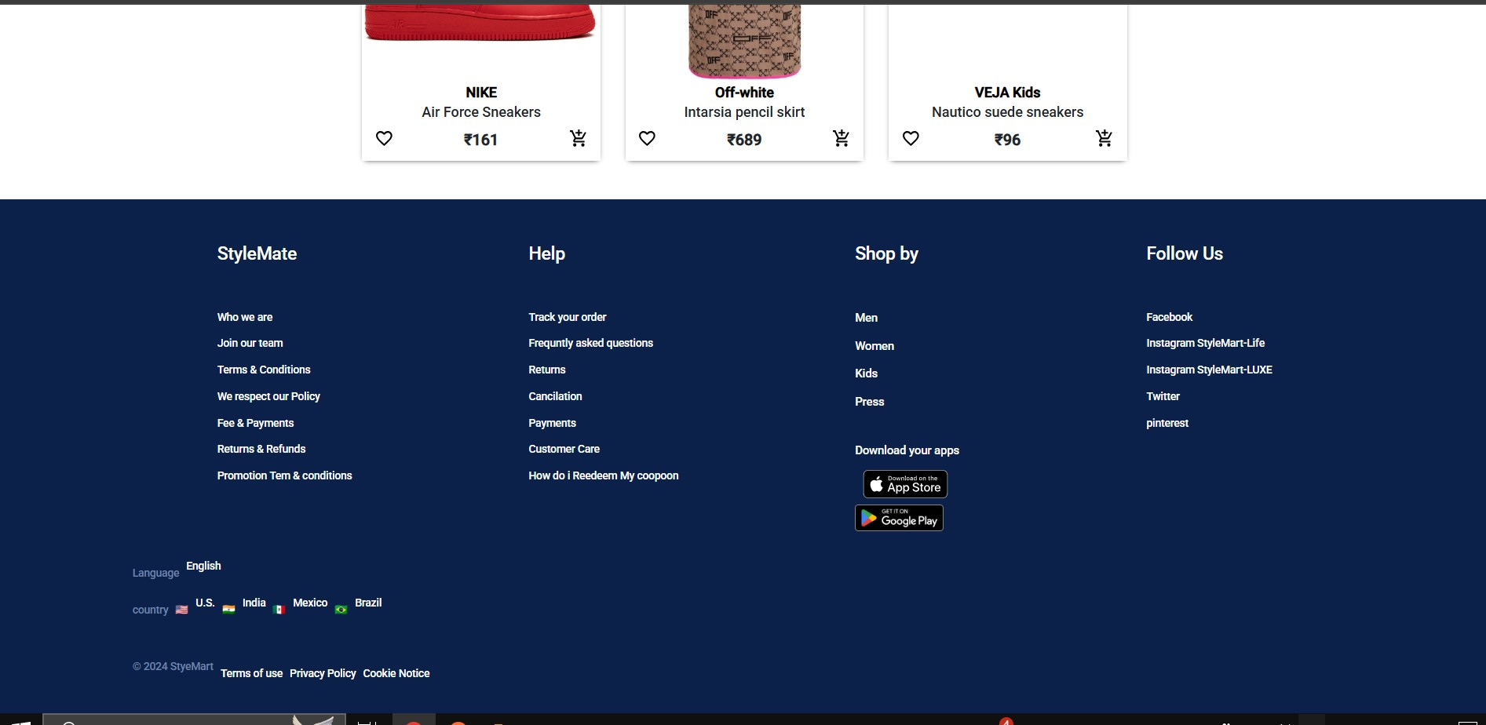
 |  |  | TC_002 | To verify with help footer links | https://luni-interface-029.vercel.app/ | 1: Open browser 2: Go to website 3: Click the footer links | NULL | The footer link is clickable | The footer link is not Clickable | P4 | FAIL | *the footer links holds the information that the user needs so it need to avaliable
 |  |  | TC_003 | To verify with shop by footer links | https://luni-interface-029.vercel.app/ | 1: Open browser 2: Go to website 3: Click the footer links | NULL | The footer link is clickable | The footer link is not Clickable | P4 | FAIL | *the footer links holds the information that the user needs so it need to avaliable
 |  |  | TC_004 | To verify with follow us footer links | https://luni-interface-029.vercel.app/ | 1: Open browser 2: Go to website 3: Click the footer links | NULL | The footer link is clickable | The footer link is not Clickable | P4 | FAIL | *the footer links holds the information that the user needs so it need to avaliable
 |  |  | TC_005 | To verify with download links footer links | https://luni-interface-029.vercel.app/ | 1: Open browser 2: Go to website 3: Click the footer links | NULL | The footer link is clickable | The footer link is not Clickable | P4 | FAIL | *the footer links holds the information that the user needs so it need to avaliable

TS_005 | To verify with search functionality | Functionali testing | TC_001 | To verfy if the search bar able to search products | https://luni-interface-029.vercel.app/ | 1: open browser 2: go to website 3: search for product in search bar | Shirt | Results found | No results found | P1 | FAIL |  | 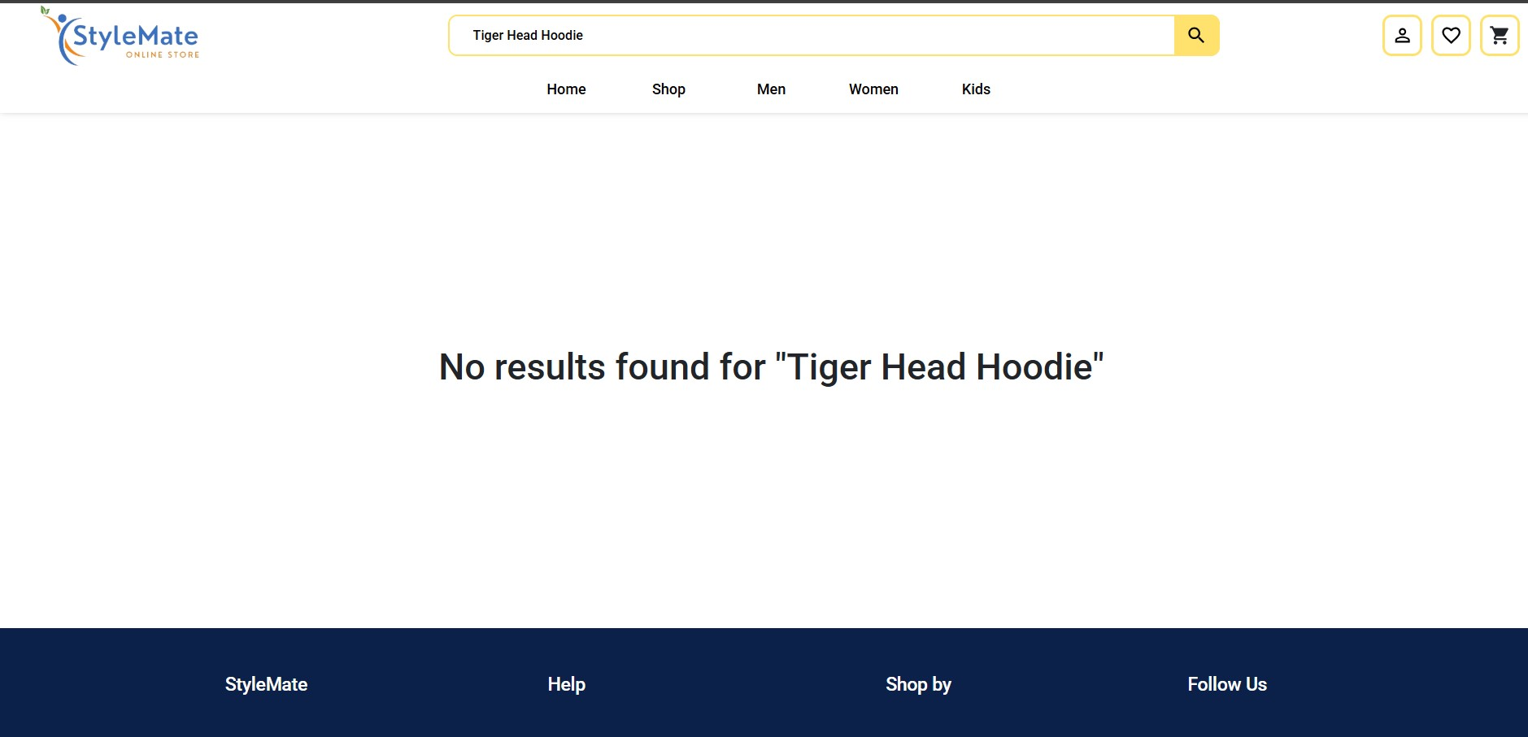
 |  |  | TC_002 | To verfy if the search bar able to search products | https://luni-interface-029.vercel.app/ | 1: open browser 2: go to website 3: search for product in search bar | Shoe | Results found | No results found | P1 | FAIL
 |  |  | TC_003 | To verfy if the search bar able to search products | https://luni-interface-029.vercel.app/ | 1: open browser 2: go to website 3: search for product in search bar | Sandles | Results found | No results found | P1 | FAIL
 |  |  | TC_004 | To verfy if the search bar able to search products | https://luni-interface-029.vercel.app/ | 1: open browser 2: go to website 3: search for product in search bar | Bag | Results found | No results found | P1 | FAIL
 |  |  | TC_005 | To verfy if the search bar able to search products | https://luni-interface-029.vercel.app/ | 1: open browser 2: go to website 3: search for product in search bar | sweatshirt | Results found | No results found | P1 | FAIL
 |  |  | TC_006 | To verfy if the search bar able to search products | https://luni-interface-029.vercel.app/ | 1: open browser 2: go to website 3: search for product in search bar | nike air force sneakers | Results found | No results found | P1 | FAIL
 |  |  | TC_007 | To verfy if the search bar able to search products | https://luni-interface-029.vercel.app/ | 1: open browser 2: go to website 3: search for product in search bar | versace Odissea chunky leather trainers | Results found | No results found | P1 | FAIL
 |  |  | TC_008 | To verfy if the search bar able to search products | https://luni-interface-029.vercel.app/ | 1: open browser 2: go to website 3: search for product in search bar | Stella kids Drawstring cargo track pants | Results found | No results found | P1 | FAIL
 |  |  | TC_009 | To verfy if the search bar able to search products | https://luni-interface-029.vercel.app/ | 1: open browser 2: go to website 3: search for product in search bar | VEJA kids Nautico suede sneakers | Results found | No results found | P1 | FAIL
 |  |  | TC_010 | To verfy if the search bar able to search products | https://luni-interface-029.vercel.app/ | 1: open browser 2: go to website 3: search for product in search bar | KENZO Tiger Head Hoodie | Results found | No results found | P1 | FAIL

TS_006 | To verify with wishlist functionality | Functionl Testing | TC_001 | To verify with the wishlist | https://luni-interface-029.vercel.app/wishlist | 1: open browser 2: go to website 3: search for product in search bar 4: add to wishlist | nike air force sneakers | the product is added to wishlist | the product is added to wishlist | P4 | PASS | 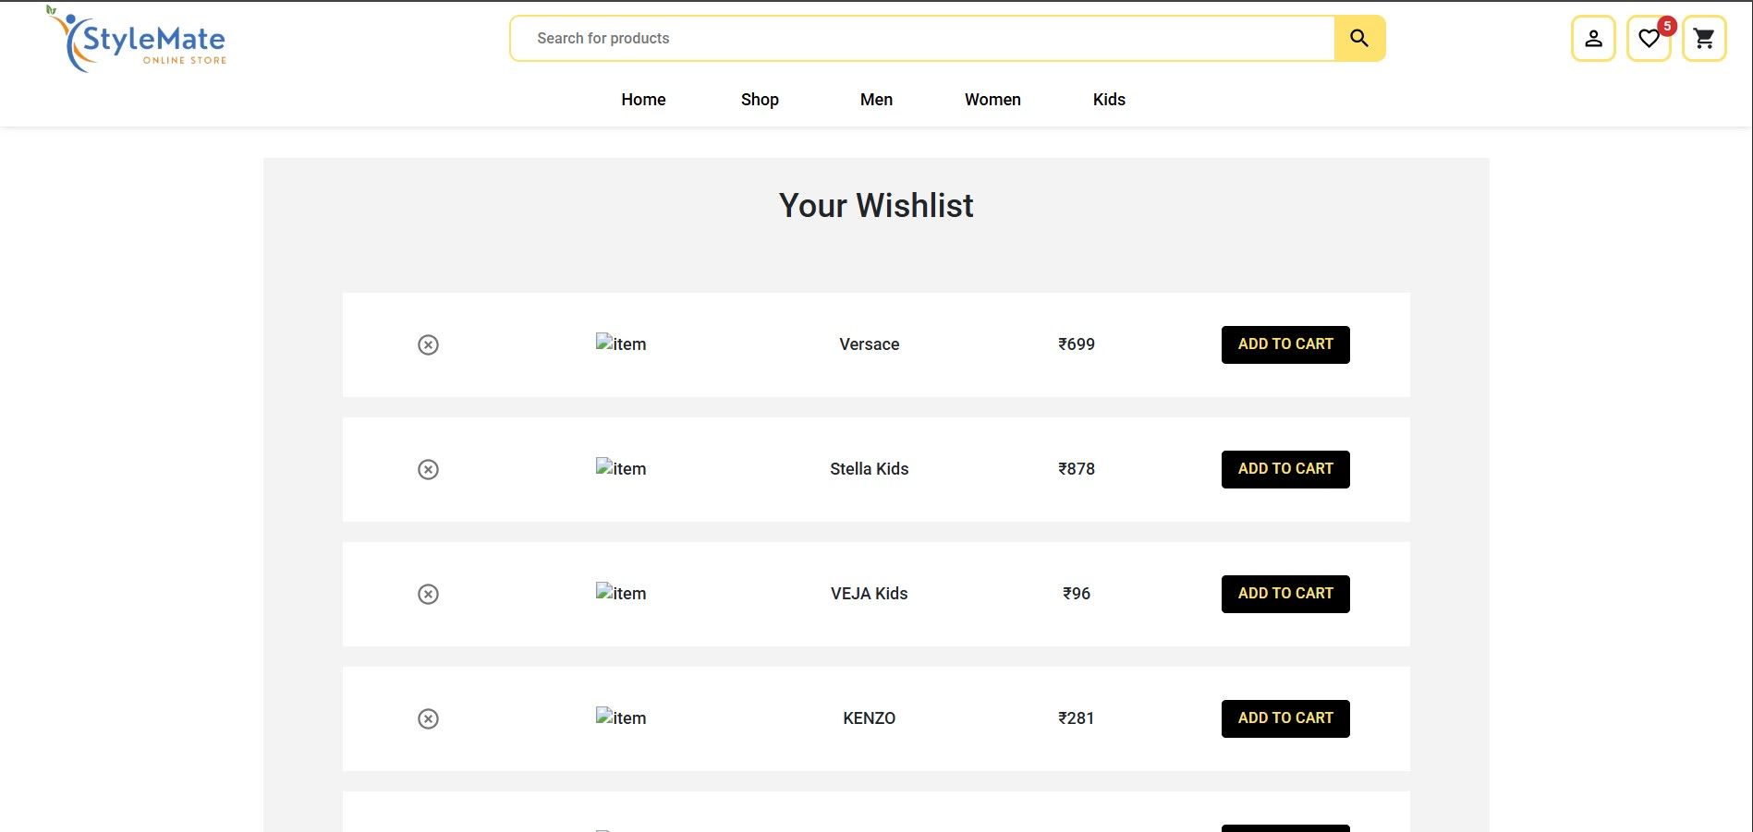 * the product is added to wishlist but the image is broken and also there is no pop up message adding the image to the wishlist
 |  |  | TC_002 | To verify with the wishlist | https://luni-interface-029.vercel.app/wishlist | 1: open browser 2: go to website 3: search for product in search bar 4: add to wishlist | versace Odissea chunky leather trainers | the product is added to wishlist | the product is added to wishlist | P4 | PASS | * the product is added to wishlist but the image is broken and also there is no pop up message adding the image to the wishlist
 |  |  | TC_003 | To verify with the wishlist | https://luni-interface-029.vercel.app/wishlist | 1: open browser 2: go to website 3: search for product in search bar 4: add to wishlist | Stella kids Drawstring cargo track pants | the product is added to wishlist | the product is added to wishlist | P4 | PASS | * the product is added to wishlist but the image is broken and also there is no pop up message adding the image to the wishlist
 |  |  | TC_004 | To verify with the wishlist | https://luni-interface-029.vercel.app/wishlist | 1: open browser 2: go to website 3: search for product in search bar 4: add to wishlist | VEJA kids Nautico suede sneakers | the product is added to wishlist | the product is added to wishlist | P4 | PASS | * the product is added to wishlist but the image is broken and also there is no pop up message adding the image to the wishlist
 |  |  | TC_005 | To verify with clicking the product in wishlist goes back to product page | https://luni-interface-029.vercel.app/wishlist | 1: open browser 2: go to website 3: search for product in search bar 4: add to wishlist | versace Odissea chunky leather trainers | It is clickable | it is not clickable | P2 | FAIL | * the product is added to wishlist but the image is broken and also there is no pop up message after adding the image to the wishlist and by clicking the image the it has to re redirect the teh user to product page
 |  |  | TC_006 | To verify with clicking the product in wishlist goes back to product page | https://luni-interface-029.vercel.app/wishlist | 1: open browser 2: go to website 3: search for product in search bar 4: add to wishlist 5: click the product in the wishlist 6: go back to product page | Stella kids Drawstring cargo track pants | It is clickable | it is not clickable | P2 | FAIL | * the product is added to wishlist but the image is broken and also there is no pop up message after adding the image to the wishlist and by clicking the image the it has to re redirect the teh user to product page
 |  |  | TC_007 | To verify with clicking the product in wishlist goes back to product page | https://luni-interface-029.vercel.app/wishlist | 1: open browser 2: go to website 3: search for product in search bar 4: add to wishlist 5: click the product in the wishlist 6: go back to product page | VEJA kids Nautico suede sneakers | It is clickable | it is not clickable | P2 | FAIL | * the product is added to wishlist but the image is broken and also there is no pop up message after adding the image to the wishlist and by clicking the image the it has to re redirect the teh user to product page

TS_007 | To verify with cart functionality | Functional testing | TC_001 | To verfy if the product added to cart is visile in the cart | https://luni-interface-029.vercel.app/ | 1: open browser 2: go to website 3: search for product in sub module 4: add to cart 5: click the cart button in the home page | Adidas Yeezy | the product is added to cart | the product is added to cart | P3 | PASS | * the product is added to cart but the image is broken and also there is no pop up message adding the image to the cart | 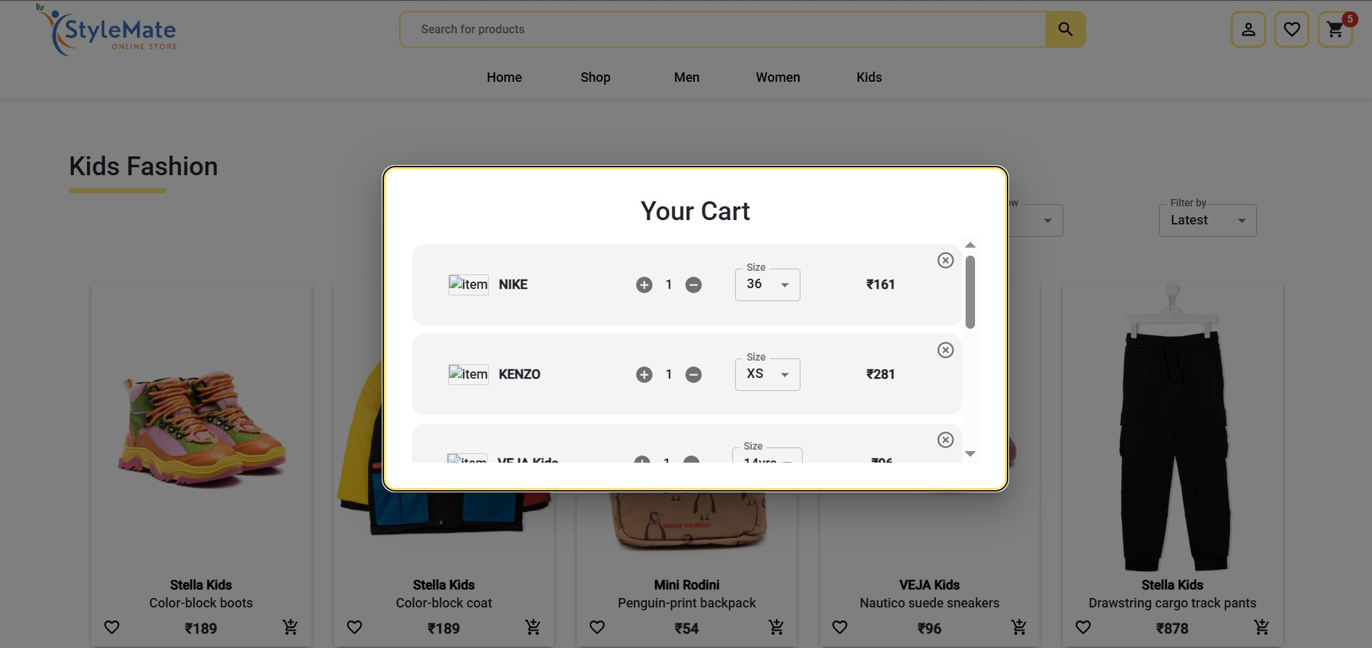
 |  |  | TC_002 | To verfy if the product added to cart is visile in the cart | https://luni-interface-029.vercel.app/ | 1: open browser 2: go to website 3: search for product in sub module 4: add to cart 5: click the cart button in the home page | nike air force sneakers | the product is added to cart | the product is added to cart | P3 | PASS | * the product is added to cart but the image is broken and also there is no pop up message adding the image to the cart
 |  |  | TC_003 | To verfy if the product added to cart is visile in the cart | https://luni-interface-029.vercel.app/ | 1: open browser 2: go to website 3: search for product in sub module 4: add to cart 5: click the cart button in the home page | versace Odissea chunky leather trainers | the product is added to cart | the product is added to cart | P3 | PASS | * the product is added to cart but the image is broken and also there is no pop up message adding the image to the cart
 |  |  | TC_004 | To verfy if the product added to cart is visile in the cart | https://luni-interface-029.vercel.app/ | 1: open browser 2: go to website 3: search for product in sub module 4: add to cart 5: click the cart button in the home page | Stella kids Drawstring cargo track pants | the product is added to cart | the product is added to cart | P3 | PASS | * the product is added to cart but the image is broken and also there is no pop up message adding the image to the cart
 |  |  | TC_005 | To verfy if the product added to cart is visile in the cart | https://luni-interface-029.vercel.app/ | 1: open browser 2: go to website 3: search for product in sub module 4: add to cart 5: click the cart button in the home page | VEJA kids Nautico suede sneakers | the product is added to cart | the product is added to cart | P3 | PASS | * the product is added to cart but the image is broken and also there is no pop up message adding the image to the cart
 |  |  | TC_006 | To verify with clicking the product in cart goes back to product page | https://luni-interface-029.vercel.app/ | 1: open browser 2: go to website 3: search for product in sub module 4: add to cart 5: click the cart button in the home page 6: click the product in the cart 7: go back to product page | versace Odissea chunky leather trainers | it is clickable | it is not clickable | P2 | FAIL | * the product is added to cart but the image is broken and also there is no pop up message after adding the image to the cart and by clicking the image the it has to re redirect the the user to product page
 |  |  | TC_007 | To verify with clicking the product in cart goes back to product page | https://luni-interface-029.vercel.app/ | 1: open browser 2: go to website 3: search for product in sub module 4: add to cart 5: click the cart button in the home page 6: click the product in the cart 7: go back to product page | Stella kids Drawstring cargo track pants | it is clickable | it is not clickable | P2 | FAIL | * the product is added to cart but the image is broken and also there is no pop up message after adding the image to the cart and by clicking the image the it has to re redirect the the user to product page
 |  |  | TC_008 | To verify with clicking the product in cart goes back to product page | https://luni-interface-029.vercel.app/ | 1: open browser 2: go to website 3: search for product in sub module 4: add to cart 5: click the cart button in the home page 6: click the product in the cart 7: go back to product page | VEJA kids Nautico suede sneakers | it is clickable | it is not clickable | P2 | FAIL | * the product is added to cart but the image is broken and also there is no pop up message after adding the image to the cart and by clicking the image the it has to re redirect the the user to product page

TS_008 | to verify with checkout fucntionality | Functional Testing | TC_001 | to verify with produts to checkout and check if it's works | https://luni-interface-029.vercel.app | 1: open browser 2: go to website 4: add products to cart 5: click the cart button in the home page 6: click checkout | Adidas Yeezy | Checkout Sucessful | Checkout Failed | P1 | FAIL
 |  |  | TC_002 | to verify without produts to checkout and check if it's works | https://luni-interface-029.vercel.app | 1: open browser 2: go to website 3: click the cart button in the home page 4: click checkout | NULL | Checkout Failed | Checkout Failed | P1 | PASS
 |  |  | TC_003 | to verify with multiple products to checkout and check if it works | https://luni-interface-029.vercel.app | 1: open browser 2: go to website 4: add products to cart 5: click the cart button in the home page 6: click checkout | 1: Versace Odissea chunky leather trainers 2: Stella kids Drawstring cargo track pants 3: VEJA kids Nautico suede sneakers | Checkout sucessful | Checkout ailed | P1 | FAIL
 |  |  | TC_004 | to verify if total value of the produts shown in the checkout form | https://luni-interface-029.vercel.app | 1: open browser 2: go to website 4: add products to cart 5: click the cart button in the 6: check the total value and verify | NULL | Total valued is calculated | Total valued is calculated | P3 | PASS
 |  |  | TC_005 | to verify multiple products with sort & filter to checkout | https://luni-interface-029.vercel.app | 1: open browser 2: go to website 4: add products to cart 5: click the cart button in the home page 6: click checkout | 1: Versace Odissea chunky leather trainers 2: Stella kids Drawstring cargo track pants 3: VEJA kids Nautico suede sneakers 4: Mini Rodini Penguin-print backpack 5: Stella Kids Color-block coat | Checkout sucessful | No sort & filter is avaliable | P1 | FAIL
 |  |  | TC_006 | to verify by clicking the products will go back to product page | https://luni-interface-029.vercel.app | 1: open browser 2: go to website 4: add products to cart 5: click the cart button in the home page 6: click the product again and go back to product page | Mini Rodini Penguin-print backpack | it is clickable | it is not clickable | P2 | FAIL

TS_0

